CoverPage
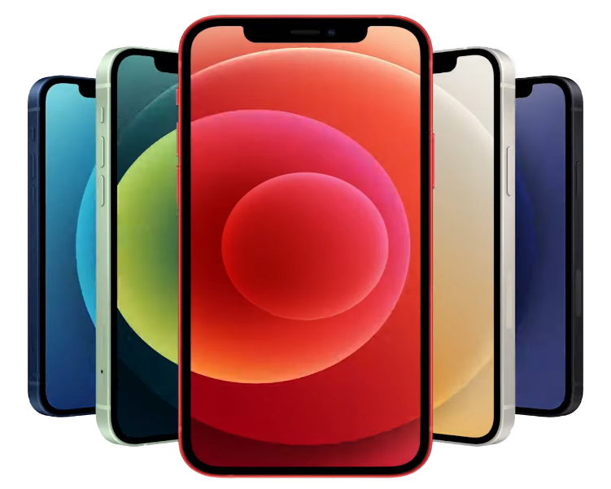

AFOBJMART
we are always available to serve you
RC:3274569

BUY | SELL | SWAP

Five-Year Financial model

ADDRESS: 7 Adepele street platinum plaza,shop B29, computer village ,ikeja Lagos

2023

Dashboard
AFOBJMART RC:3274569 Five-Year Financial model
we are always available to serve you
BUY | SELL | SWAP

 | Sum of Revenue | Sum of Gross Profit | Sum of COS
2024 | 435,360,000 | 16,042,296 | 419,317,704
2025 | 693,235,200 | 21,923,290 | 671,311,910
2026 | 634,584,000 | 21,186,726 | 613,397,274
2027 | 845,850,000 | 25,282,147 | 820,567,853
2028 | 807,759,600 | 23,179,061 | 784,580,539
Overall Performance
 | Sum of Gross Profit Margin | Sum of Net Profit Margin | Sum of Return on Equity
2024 | 4% | 1% | 7%
2025 | 3% | 2% | 13%
2026 | 3% | 1% | 10%
2027 | 3% | 1% | 14%
2028 | 3% | 1% | 12%
Profitability Ratios
Average Revenue

₦ 683,357,760

Avrg Gross Profit

₦ 21,522,704
 | Depreciation | Other operating expenses | Personnel expenses
2024 | 222,000 | 4,932,000 | 1,000,000
2025 | 222,000 | 4,487,064 | 1,000,000
2026 | 497,700 | 5,535,052 | 2,040,000
2027 | 367,700 | 6,141,959 | 2,280,000
2028 | 695,288 | 7,233,833 | 2,280,000
OPEX Breakdown I
 | Total
Depreciation | 2,004,688
Other operating expenses | 28,329,908
Personnel expenses | 8,600,000
OPEX Breakdown II

Avrg Profit After Tax

₦ 9,718,249

